Sheet1
Date :2023-12-8
Design# | Vendor Style No | Sku No | Picture | Metal Kt / Color | Metal Rate $ P. Oz | Metal Wt. in Gm | Metal Rate in Gms | Metal Cost | Finding Cost | Stone Shape | Stone Qlty | Sieve / MM | Stone Size | Stone wt. Total | Stone Rate | Stone Cost | Stone Pcs | Setting Type | Setting Rate | Setting Charges | Other Charges | Charges | Details | Minimum Diam Wt | Cost | Price 1
VD163D2-R6650 | D2-RF2A4431 | ZR1710E-270GD-A |  | 14KW | $2,800 | 3.00 | 58.81 | 176.44 | LOWG2A | OVAL | G VS2 | 8.7 X 6.4 | 1.5000 |  |  | 0.00 | 1 | prong |  | 0.00 | C F P | 10.10 | Semi / Comp | 0.7 | $262.75
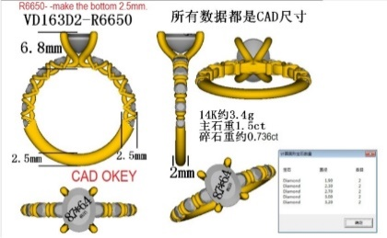
 | RM 5595 | ZR1710SM-70GH-A |  |  |  |  |  |  | LRWG3A | RND | E VS2 | 3.2 | 0.1190 | 0.238 | $85 | 20.23 | 2 | channel | 2.00 | 4.00 | J Back |  | Duty/Ship |  | $18.39
 | ring size 6.5 | ZR1710SM-70CZ-L |  |  |  |  |  |  | LRWG3A | RND | E VS2 | 3 | 0.0970 | 0.194 | $85 | 16.49 | 2 | channel | 2.00 | 4.00 | Dia. Han. | 1.82 | Total Imp. Cost |  | $281.14 | $565.00
 |  |  |  |  |  |  |  |  | LRWG3A | RND | E VS2 | 2.7 | 0.0730 | 0.146 | $79 | 11.53 | 2 | channel | 0.60 | 1.20 | Miligrain |  | Center | 2.00
 |  |  |  |  |  |  |  |  | LRWG3A | RND | E VS2 | 2.3 | 0.0510 | 0.102 | $79 | 8.06 | 2 | channel | 0.60 | 1.20 | Two Tone |  | Setting |  | $24.00
 |  |  |  |  |  |  |  |  | LRWG3A | RND | E VS2 | 1.9 | 0.0280 | 0.056 | $79 | 4.42 | 2 | channel | 0.60 | 1.20 | Solder
 |  |  |  |  |  |  |  |  |  |  |  |  |  |  |  |  |  |  |  |  | Rhodium | 2.00
Main Category
Sub Category |  |  |  |  |  |  |  |  |  |  |  |  |  |  |  |  |  |  |  |  |  |  | Total | 2.70 | $305 | $565
Collection |  |  |  |  |  |  | Total | 176.44 | 0 |  |  |  |  | 0.74 |  | 60.74 | 11 |  |  | 11.60 |  | 13.92 | Net Margin |  |  | 46%

